Location Plan & Summary
Intelligent Data Collection Limited

Client: | Bristol City Council |  |  | Date of Survey: |  | 09.07.2015
Project Number: | ID02343 |  |  | Site Name: |  | St. Gabriels Road
Site Number: | ATC Site 6 |  |  | Survey Type: |  | Two-way Link Count

X Coordinate |  | Y Coordinate |  |  | Google Maps Link
51.46251 |  | -2.569334 |  |  | Click Here
AM Peak Conditions |  | Inter-Peak Conditions |  |  | PM Peak Conditions
Clear and Sunny |  | Clear and Sunny |  |  | Clear and Sunny
Junction Layout

N

 |  |  |  |  |  | Arm B - Felix Road (N)

 |  |  | Arm A - Vining Walk (S)

Aerial Mapping and On-site Camera View
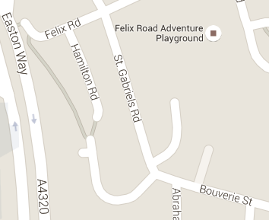
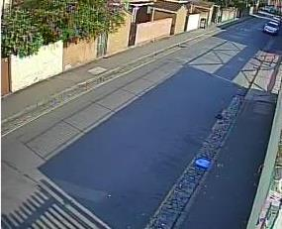
Arm B - Felix Road (N)

Arm A - Vining Walk (S)

Junction Flow Profile
Arm Approach Flows (All Vehicles)
 | A to B (Northbound) | B to A (Southbound) | Two-way Total
7:00:00 | 4 | 19 | 23
7:15:00 | 16 | 19 | 35
7:30:00 | 21 | 15 | 36
7:45:00 | 13 | 24 | 37
8:00:00 | 19 | 27 | 46
8:15:00 | 14 | 25 | 39
8:30:00 | 24 | 26 | 50
8:45:00 | 23 | 26 | 49
9:00:00 | 16 | 32 | 48
9:15:00 | 29 | 20 | 49
9:30:00 | 16 | 20 | 36
9:45:00 | 18 | 18 | 36
10:00:00 | 13 | 26 | 39
10:15:00 | 20 | 18 | 38
10:30:00 | 13 | 20 | 33
10:45:00 | 24 | 16 | 40
11:00:00 | 14 | 21 | 35
11:15:00 | 21 | 16 | 37
11:30:00 | 18 | 18 | 36
11:45:00 | 17 | 23 | 40
12:00:00 | 17 | 19 | 36
12:15:00 | 39 | 30 | 69
12:30:00 | 27 | 21 | 48
12:45:00 | 22 | 20 | 42
13:00:00 | 23 | 30 | 53
13:15:00 | 25 | 27 | 52
13:30:00 | 27 | 33 | 60
13:45:00 | 25 | 44 | 69
14:00:00 | 15 | 23 | 38
14:15:00 | 23 | 29 | 52
14:30:00 | 24 | 29 | 53
14:45:00 | 31 | 28 | 59
15:00:00 | 28 | 36 | 64
15:15:00 | 26 | 27 | 53
15:30:00 | 27 | 43 | 70
15:45:00 | 33 | 31 | 64
16:00:00 | 27 | 49 | 76
16:15:00 | 32 | 41 | 73
16:30:00 | 23 | 58 | 81
16:45:00 | 24 | 45 | 69
17:00:00 | 35 | 41 | 76
17:15:00 | 25 | 35 | 60
17:30:00 | 27 | 56 | 83
17:45:00 | 32 | 56 | 88
18:00:00 | 23 | 36 | 59
18:15:00 | 26 | 42 | 68
18:30:00 | 23 | 46 | 69
18:45:00 | 26 | 44 | 70

Additional Notes (Factors which may impact on survey results such as accidents, roadworks, special events):

